Checklist 301
Test Case ID: | 301
Test Case Name: | TC_ New Comments page creation - UI
Status: | New
Test Type: | UI
Author: | Andriy Pyrogov
Creation Date: | 2017-05-02
Automation: | Recommended
Priority: | High
Objective: | To verify that UI for 'New Comments' page corresponds to mock up.
Pre-Conditions and Setup: | The ‘New Comments’ page is opened.
# | Steps | Instructions | Version (Build) #
 |  |  | Status | Comments | Execution Date
1 | Verify the UI controls presence | Не вказано які саме повинні бути | INVALID | Деякі елементи управління користувальницького інтерфейсу присутні. | 2017-05-02
 | Verify the UI controls alignment | Не вказані межі вирівнювання | INVALID | Яке повинне бути вирівнювання | 2017-05-02
 | Verify size and font of labels. | Які повинні бути межі і шрифт? | INVALID |  | 2017-05-02
2 | Verify spelling of labels. | Переглянути чи назви на орфографічну коректність | FAIL | "Категории:" замість Categories | 2017-05-02
3 | Verify that 'Comment Text' field is empty by default | Створюєм нове поле | PASS | Вимагає The Comment Text field is required | 2017-05-02
4 | Verify that 'Number’ field is empty by default |  | PASS |  | 2017-05-02
5 | Verify that ‘Active’ checkbox is checked by defaultw | Перевіряємо при створенні | PASS | ‘Active’ checkbox is checked by default | 2017-05-02
6 | Verify that status of 'Active' checkbox is changed by click. | Клікнути на чекбокс | PASS | Змінюється при кліку | 2017-05-02
7 | Verify tabulation. | ? | INVALID |  | 2017-05-02
8 | Verify that all UI controls are visible on the screen after page resizing. | * resize by corresponding button in the top right corner of the form * resize by dragging the corner of window | FAIL | ? Видимі але не коректно зміщюються Selected Categories і навігаційні стрілки | 2017-05-02
Test Data: | None
Attachments: | 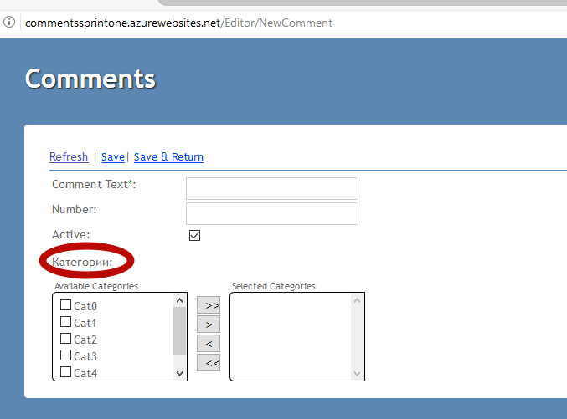 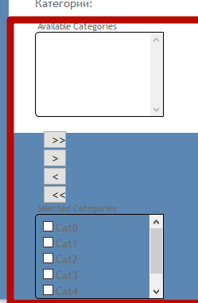

Defects
# | Summary |  | Actual Result | Expected Result | Priority
1 | Некоректний переклад | На сторінці 'New Comments' не співпадає назва | Категории: | Categories | Low
2 | Видимість при зменшені сторінки | Не коректно зміщюються Selected Categories і навігаційні стрілки |  | UI controls are visible on the screen after page resizing. | Low

